Sheet1
 |  | Document No. | Issue No. | Issue Date |  | Review and Replace Date |  | Authorised By
 |  | GFF104MC | 5 | 10.06.2019 |  | XX.XX.XXXX
 |  | Document Title | 4 VEGETABLE SAMOSA 160G
 |  | Page | 1 of 1 |  | Previous Issue Date |  | 27.10.2022 | Magda Shah
Document amendments reason for change |  | Indian Vegetable Samosa |  |  |  |  |  | Uncontrolled copy unless signed original

CVSA1C1-1R6TSP | SPAR |  | 4 VEGETABLE SAMOSA 160G | CHILLED

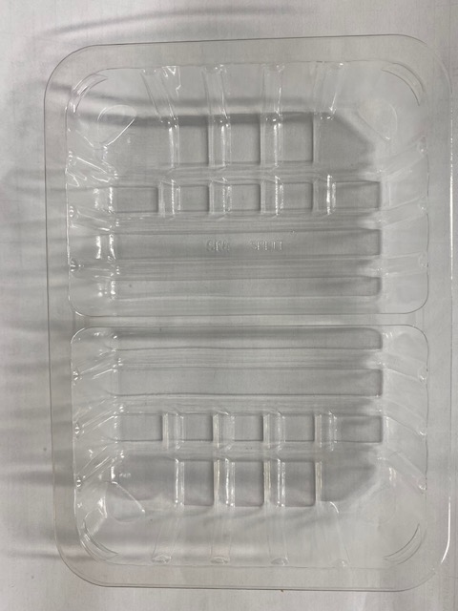 |  |  |  |  | 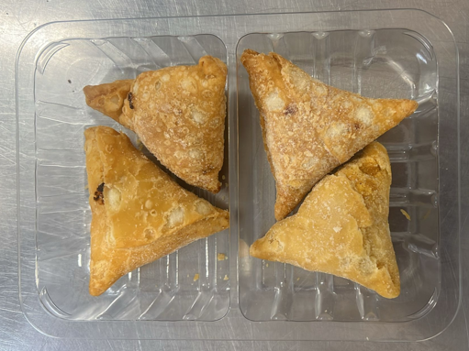

Veg Samosa -INDIA

Tray: SK4 Split Clear (PKESS001-06) |  |  |  |  | Vegetable Samosa 40g-(RMSRI001-03) : 4 pieces
Film: K-peel 7G+25A/f-275mm (PKKMP001-03) |  |  |  |  | Total Weight : 160g
ALLERGY ALERT: WHEAT

